1. Title
Instacart Data Analysis

Project Name: Instacart Data Analysis
Date: 29/10/2024
Analyst Name: Ryan Cyril Pares

Contents:
Population Flow
Consistency checks
Data Wrangling
Column derivations
Visualizations
Recommendations

Data Source
“The Instacart Online Grocery Shopping Dataset 2017”, Accessed from www.instacart.com/datasets/grocery-shopping-2017 via Kaggle on 9/4/2024.

2. Population Flow
Population flow

Orders - original data
Orders_products_prior - original data
Products - original data
Customers - original data

Orders - after consistency checks
Orders_products_prior - after consistency checks
Products - after consistency checks
Customers - after consistency checks

Orders_products_merged
Total: 32,434,858

Orders_products_customers
Total: 32,404,858

The grey boxes in the first row show the original data sets as they were when you downloaded them. In the Total fields, add the number of rows when you imported the data set into Jupyter.
The colored boxes in the second row represent the data sets after you cleaned them, such as removing missing values and duplicates. In the Total fields, add the number of rows after these operations. This gives a visual overview of the data flow during consistency checks.
The third row, with colored arrows, shows the merges you performed between the datasets. In the Total fields, add the number of rows in the merged datasets, resulting in the final dataset (in the red box). Ensure the final dataset has no exclusions based on the exclusion flag.

3. Consistency Checks
 |  |  |  | Title page
Consistency checks

Dataset | Missing values | Missing values treatment | Duplicates
orders | 206,209 in the 'days_since_prior_order' column | Flagged as first_order | No duplicates
products | 16 missing / NaN 'product_name' | Deleted rows missing data | 5 duplicates, deleted
orders_products_prior | None | None | No duplicates
customers | None | None | No duplicates
departments | None | None | None
orders_products_customers | prices over $100 marked as missing | changed to Nan | None

4. Data Wrangling
 |  |  |  | Title page
Wrangling steps

Columns dropped | Columns renamed | Columns' type changed | Comment/Reason
 |  | order_id | data type change, integer to string
 |  | user_id | data type change, integer to string
 | order_dow to orders_day_of_week |  | clarity, only on Task 4.4; Left as order_dow for Analysis
 | Surnam to Last_name |  | maintain naming convention
 |  | First_name | data type change, mixed to string
Unnamed xx |  |  | not needed
_merged |  |  | not needed

5. Column Derivations
 |  |  |  | Title page

Column derivations and aggregations

Dataset | New column | Column/s it was derived from | Conditions
orders | first_order | days_since_prior_order' | NaN
orders_products_merge | price_range | prices | if prices <= 5 then 'low-range product' if prices >5 & <= 15 then 'mid-range product' if prices > 15 then 'high-range product' else 'not enough data'
orders_products_merge | busiest_day | orders_day_of_week | if value == 0 then 'busiest day' if value == 4 then 'least busy' else 'regularly busy'
orders_products_merge | busiest_days | orders_day_of_week | if value == 0 or 1 then 'busiest days' if value == 3 or 4 then 'slowest days' else 'regularly busy'
orders_products_merge | busiest_period_of_day | hour_of_day | if value == 10 or 11 then 'most orders' if value == 3 or 4 then 'fewest orders' else 'average orders'
orders_products_merge | loyalty_flag | max_order | if value > 40 then 'loyal customer' if value <= 40 & > 10 then 'regular customer' if value < 10 then 'new customer'
orders_products_merge | mean_spend | prices | average price per customer
orders_products_merge | spending_flag | mean_spend | if value > 10 then 'low spender' if value >= 10 then 'high customer'
orders_products_merge | customer_frequency | days_since_prior_order | if value < 20 then 'non_frequent_customer' if value <= 20 & > 10 then 'regular customer' if value > 10 then 'frequent customer'
ords_prods_cust_merge | region | State | State defined into regions according to this List of regions of the United States
ords_prods_cust_merge | activity_flag | max_order | if value < 5 then 'low-activity customer' if value >= 5 then 'high-activity customer'
low_activity_excluded | income_group | Income | if value > 150000 then 'high income' if value >= 55000 & < 150000 then 'middle income' if value < 55000 then 'low income'
low_activity_excluded | age_group | Age | if value > 64 then 'senior' if value > 44 & <= 64 then 'middle-aged' if value > 25 & <= 44 then 'adult' if value <= 25 then 'young adult'
low_activity_excluded | dependants_flag | Number of Dependents | if value == 0 then 'no dependants' if value >= 1 then 'has dependants'

6. Visualizations
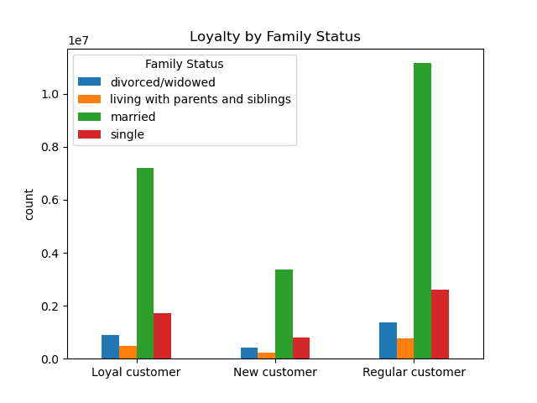
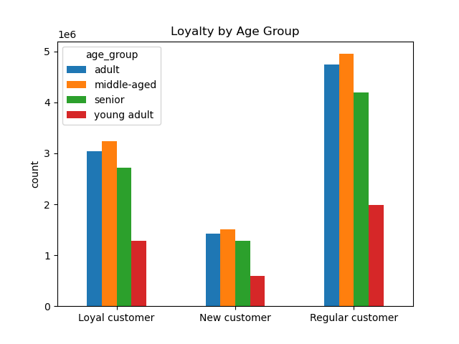
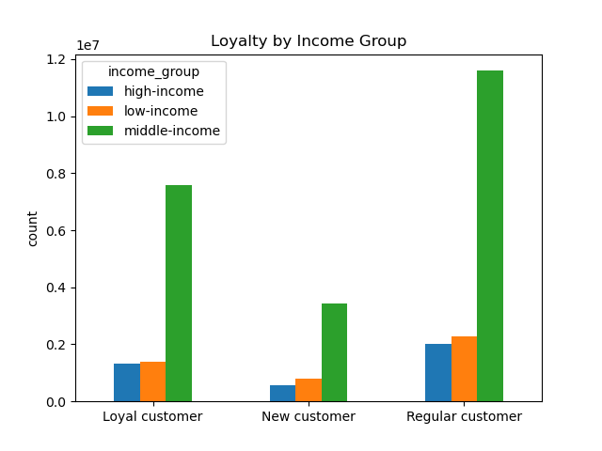
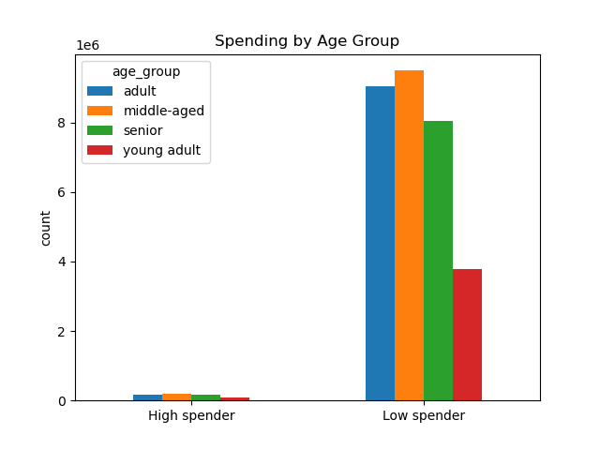
 | Title page

Visualisations

Question
From the Sales Team: What are the busiest days of the week and hours of the day?
Are there particular times of day when people spend the most money?
Answer
Saturday and Sunday are the busiest day of the week. Tuesday and Wednesday are the least bust days of the week.
Most orders are between 9am and 4pm with a peak at 10am to 11am

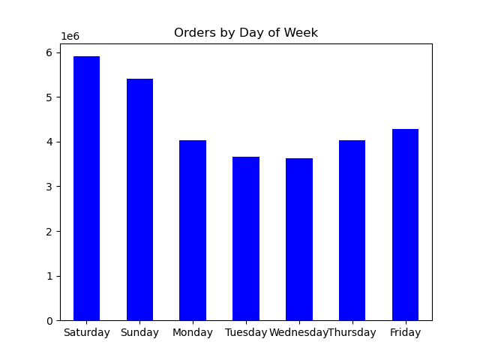
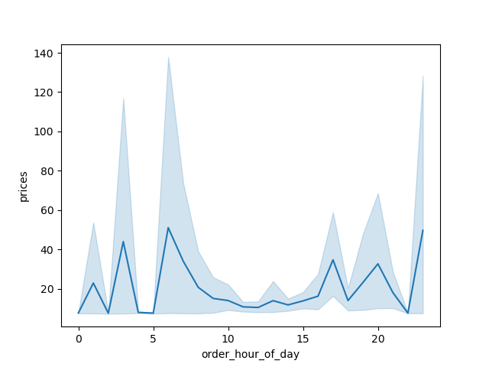


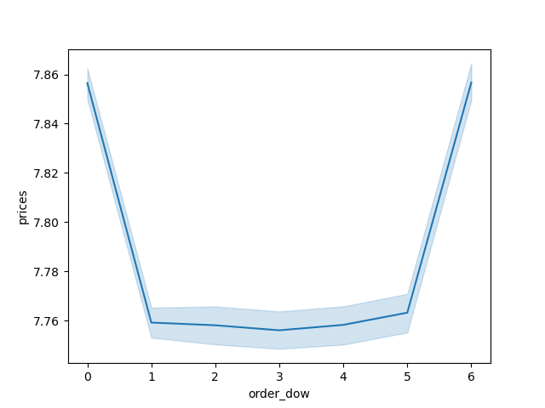
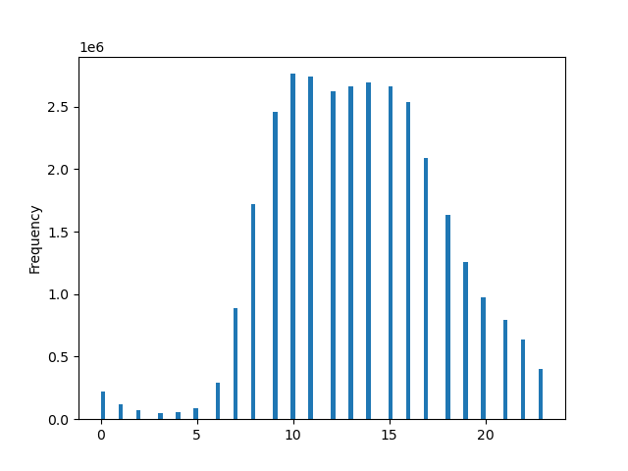
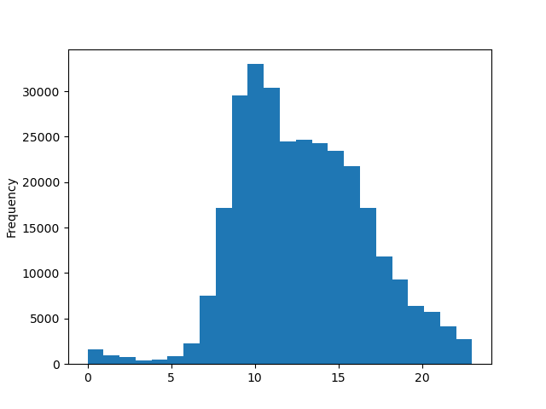

Are there certain products that are more popular than others?

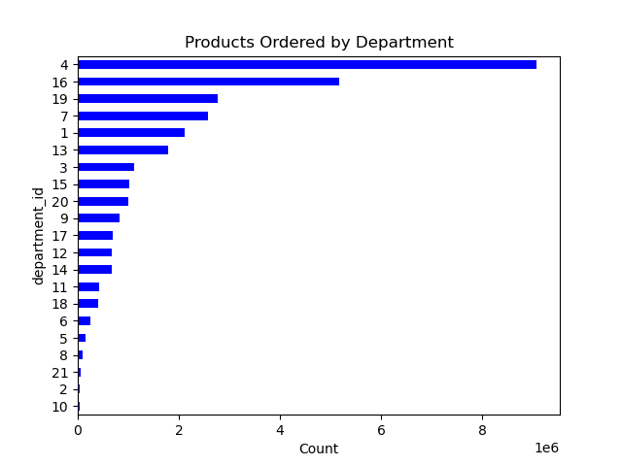

Are there differences in ordering habits based on loyalty status?

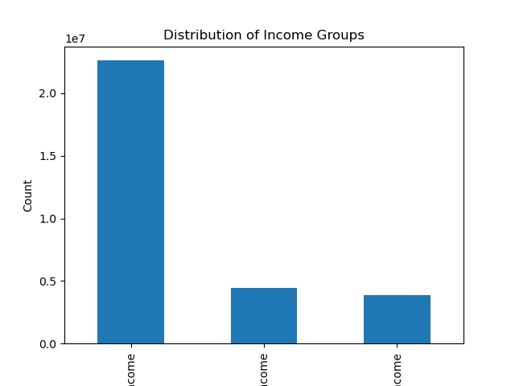

Are there differences in ordering habits based on region?
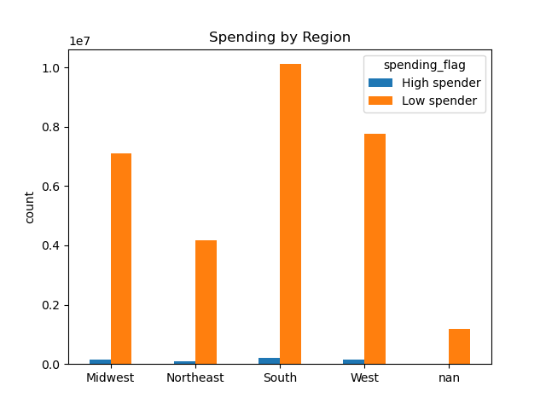
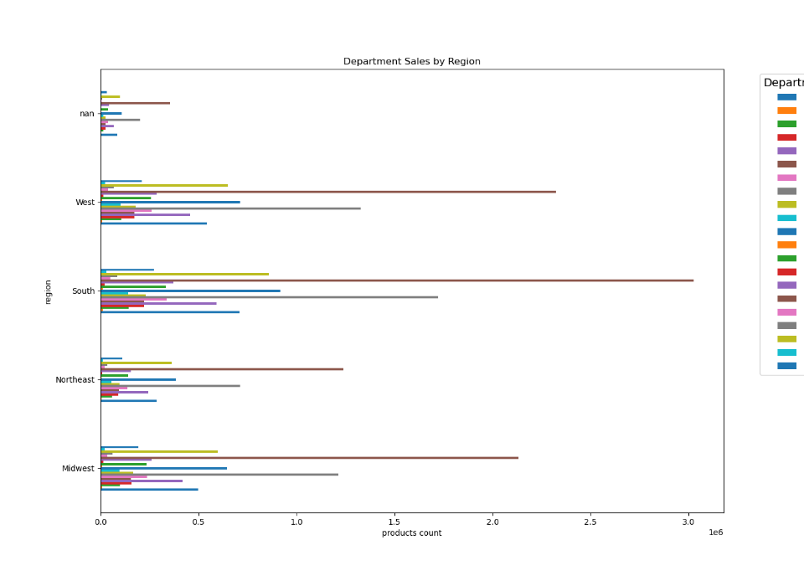

What is the distribution among users as to how often they return to Instacart?
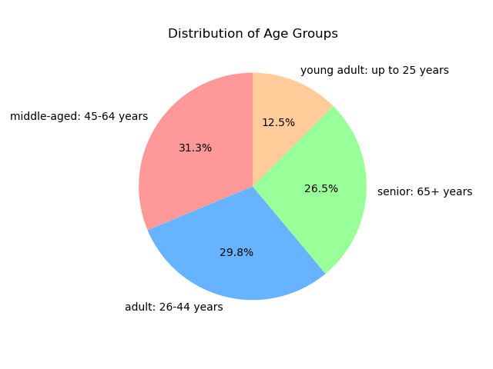

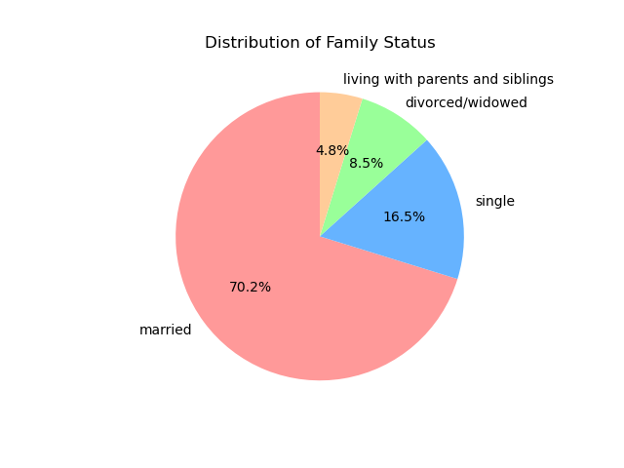

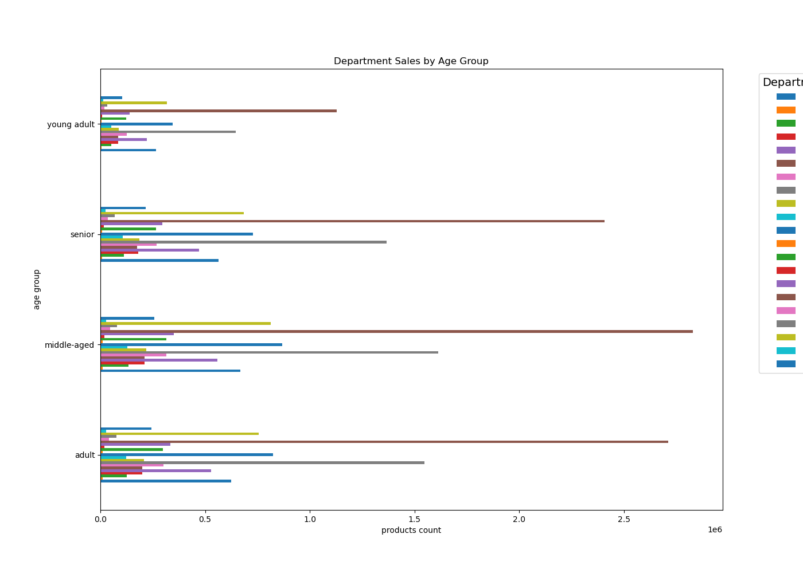

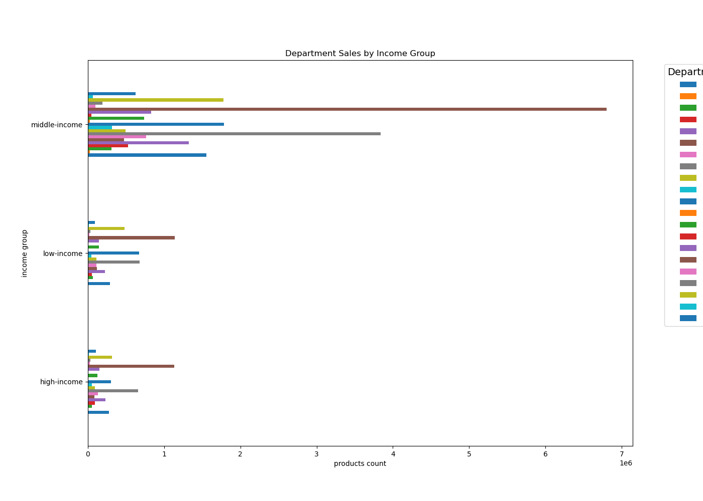

What differences can you find in ordering habits of different customer profiles?

7. Recommendations
 |  |  | Title page

Recommendations

Question | Answer | Recommendations
What are the busiest days of the week and hours of the day? | Saturday and Sunday are the busiest days, while Tuesday and Wednesday are the least busy. Most orders occur between 9am and 4pm, peaking from 10am to 11am. | Boost sales during the less busy days annd offer sales and coupons targeting busiest days & times.
Are there particular times of day when people spend the most money? | Sales are higher in the morning and on weekends, though the variation is small. | Despite the slight increase in morning and weekend sales, the difference is minimal so no specific recommendations are made based on this observation.
Are there certain products that are more popular than others? | Department_Id's 4, 16, 19 & 7 are the top sellers by department. | Offer coupons and specials for popular items corresponding to department_id, like produce and dairy to encourage orders. Also, promote less popular items like international, alcohol, and bulk products to boost sales in those departments.
Are there differences in ordering habits based on loyalty status? | Most customers are low spenders. | Consider whether to target high spenders or frequent shoppers. Offering discounts on entire grocery purchases could increase spending per order but might reduce shopping frequency.
Are there differences in ordering habits based on region? | Customers in the South, West & then Midwest have the highest sales of produce, snacks, and dairy/eggs. | Increase advertising and promotions in regions with fewer customers.
What is the distribution among users as to how often they return to Instacart? | Most customers are adults or middle-aged, married, and have dependents. Those in the upper income bracket tend to be over 40. | Target typical family products like dinner items, breakfast cereals, and packable lunches with bulk coupons and discounts. Offer luxury products to high-income customers over 40.
What differences can you find in ordering habits of different customer profiles? | The primary demographic for Instacart users are adult to middle-aged, middle-income parents, who typically have larger households and consume more products. | Consider whether Instacart wants to reach more demographics. Address obstacles like technology familiarity that may limit customer growth among seniors. Focus on family-favored products to encourage orders. Explore partnerships with stores to offer discounts or free items for using Instacart instead of shopping in-store.

